COMPANY NAME AND ABOUT
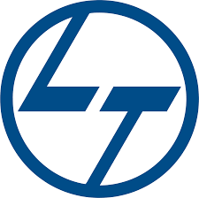
LTIMindtree Ltd. | BSE: 540005 | NSE: LTIM
About : LTIMindtree Limited is an Indian multinational information technology services and consulting company based in Mumbai. A subsidiary of Larsen & Toubro, the company was incorporated in 1996 and employs more than 81,000 people.

